Feuil1
Matty Board
20180222
 |  |  |  |  |  |  |  |  |  |  |  | 7.8125
 |  |  |  |  |  |  | Name | Size in bits | Description | Address in Hex | Default value in hex | unit | Translation | <-Unit-> | Wanted | in HEX | To program
Configuration |  |  |  |  |  |  | sEEPon | 8 | Lengh of Pon | E0 | 19 | 7.8125ns | 195.3125 | ns | 200 | 19 | 19
 |  |  |  |  |  |  | sEEPonPoff | 8 | Lengh between Pon and Poff | D0 | C | 7.8125ns | 93.75 | ns | 100 | C | 25 | Pon+DelayPonPoff
SPI | To configure the FPGA use the following addresses and protocol |  |  |  |  |  | sEEPoff | 8 | Lengh of Poff MSB | E1 | 0
 | SPI is only 8bits per CS |  |  |  |  |  | sEEPoff | 8 | Lengh of Poff LSB | E2 | 100 | 7.8125ns | 2000 | ns | 2000 | 100 | 125 | Pon+DelayPonPoff+Poff
for each address: |  |  |  |  |  |  | sEEDelayACQ | 8 | Lengh of Delay between Poff and Acq MSB | E3
 | Send | 0xAA | to access parameters |  |  |  | sEEDelayACQ | 8 | Lengh of Delay between Poff and Acq LSB | E4 | 380 | 7.8125ns | 7000 | ns | 7000 | 380 | 4A5 | Pon+DelayPonPoff+Poff+DelayAcq
Followed by | Send | @ | parameter address 8bits |  |  |  | sEEACQ | 8 | Lengh of acquisition MSB | E5
Followed by | Send | Data | Parameter 8bits |  |  |  | sEEACQ | 8 | Lengh of acquisition LSB | E6 | 45a5 | 7.8125ns | 139.2890625 | us | 130 | 4100 | 45A5 | Pon+DelayPonPoff+Poff+delayAcq+Acq
 |  |  |  |  |  |  | sEEPeriod | 8 | Period of one cycle MSB | E7
 |  |  |  |  |  |  | sEEPeriod | 8 | Period of one cycle 15 to 8 | E8
 |  |  |  |  |  |  | sEEPeriod | 8 | Period of one cycle LSB | E9 | 186A0 | 7.8125ns | 0.78125 | ms | 1 | 1F400 | 1F400 | Period
Read |  |  |  |  |  |  | sEETrigInternal | 1 | Software Trig : Auto clear | EA | 0 | N/A |  |  | 0 | 0 | 0
Spi | To read the ADC value |  |  |  |  |  | sEESingleCont | 1 | 0: single mode 1 continious mode | EB | 0 | N/A |  |  | 0 | 0
SPI is only 8bits per CS |  |  |  |  |  |  | sEEDAC | 8 | Voltage gain control: 0V to 1V | EC | 11 | 0.004 | 0.068 | V | 0.5 | 7D
Master send 0 |  |  |  |  |  |  | sEEADC_freq | 8 | Frequency of ADC acquisition | ED | 1 | 5ns+5ns | 32 | MHz | 32 | 1
If the FPGA is doing in acquisition the return value is 0xAA |  |  |  |  |  |  | sEETrigCounter 8LSB | 8 | How many cycles in countinious mode LSB | EE | A | cycles | 10 | Cycles | 10 | A
Else the value is on 2 times 8bits |  |  |  |  |  |  | sEEpointerReset | 1 | Sofware memory reset: set to 1; auto clear | EF | 0
 |  |  |  |  |  |  | sEETrigCounter 8 MSB | 8 | How many cycles in countinious mode MSB | DE

MSB |  |  |  |  | LSB
MSB ID | Cycle number | TopTurn2 | TopTurn1 | ADC9-7 | LSB ID | ADC7-0 |  |  |  |  |  | Number of measures to read |  |  |  | 4159
1 | 2 bits | 1 bit | 1 bit | 3 bits | 0 | 7 bits |  |  |  |  |  | Total time for DAC variation |  |  |  | 139.2
 |  |  |  |  |  |  |  |  |  |  |  | number DACupdate DAC frequency |  | 5 | us | 27.84
Cycle number | In continious mode this represent the 2 lsb of the cycle counter
 | useful to separate the data of each cycle

If the master read more data than acquire it will return old values or incorrect value
the master has to know how many measures where done
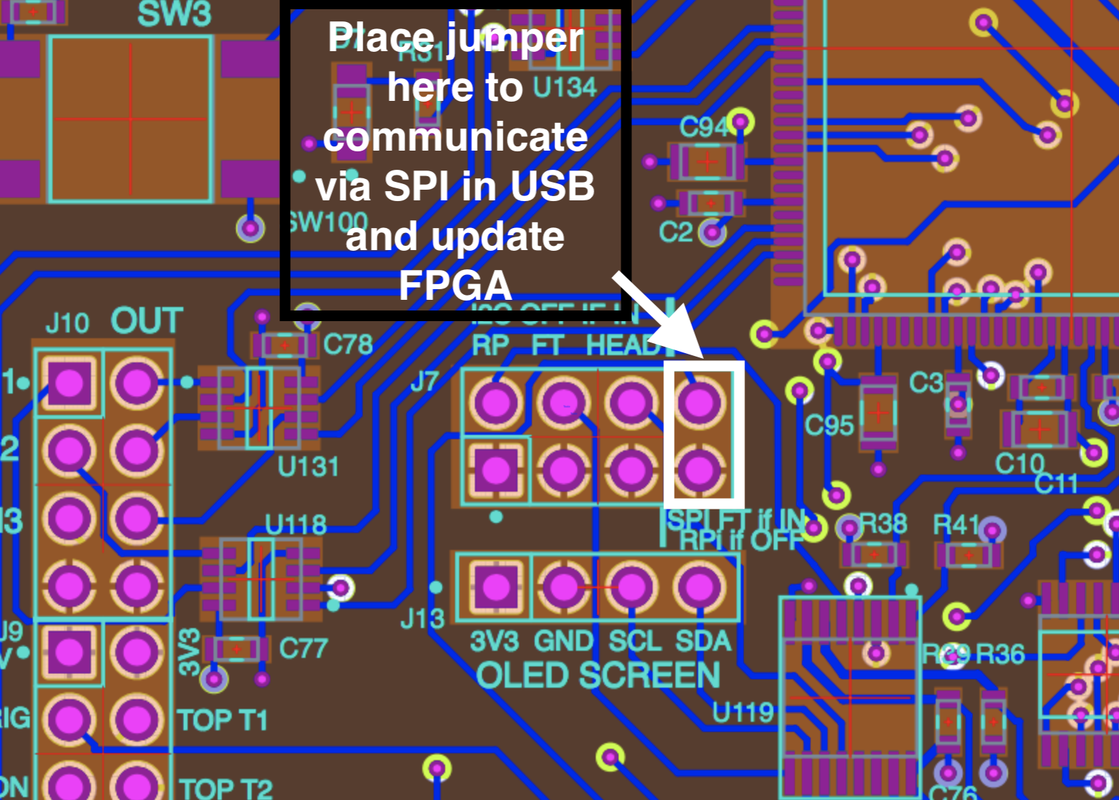

Standart sequence
1 | Use Rpi or Computer:Connect
2 | Configure the jumper according to SPI master choice(USB or Rpi)
3 | power up via USB cable
4 | Send to FPGA the configuration registers via SPI
4 | Set the register EF to initiliaze memory(read and write pointers at 0)
4 | Trig via software or hardware
4 | Do a spi transaction and ignore the data received
4 | read the measures via SPI

Update FPGA
1 | Use a PC with diamond programmer
2 | Configure th jumper for FPGA update
3 | Connect the USB
4 | Program via the diamong programmer application
5 | The LED program shall be ON when ok.

Solution To use computer to communicate
The board has a FTDI ft2232H usb to SPI.
you can use a python program with the pyftdi library |  |  |  | https://pypi.python.org/pypi/pyftdi |  |  | and doc: | http://eblot.github.io/pyftdi/
You should install the depedencies before using this libray; see the doc
This diver is for the moment only half duplex- cannot read and write in the same transaction. FPGA don't use this. There is no issue.

sample.py
from binascii import hexlify
from pyftdi.ftdi import Ftdi
from pyftdi.spi import SpiController
from sys import modules, stderr, stdout

# Instanciate a SPI controller
spi = SpiController()

# Configure the first interface (IF/1) of the FTDI device as a SPI master
spi.configure('ftdi://ftdi:2232h/1')

# Get a port to a SPI slave w/ /CS on A*BUS3 and SPI mode 0 @ 12MHz
slave = spi.get_port(cs=1, freq=10E6, mode=0)

#to get the maximun frequency possible on this link
print(spi.frequency_max)

#to send a data
data_out = int(input('To send:'))
slave.write([data_out], True, True)
print(' sent:',data_out)

#to read a data
data_in = slave.read(1, True, True).tobytes()
data_in_hex = hexlify(data_in).decode()
print('\In = ',data_in_hex)

#The cs shall be manual - use of I/O4
gpio = spi.get_gpio()
gpio.set_direction(0x0800, 0x0100)
gpio.write(0x0100)

#before exchange
gpio.write(0x0000)
#after exchange
gpio.write(0x0100)

Configuration DAC variation
SPI | To configure the dac values every 5us use the following addresses and protocol
 | SPI is only 8bits per CS
for each address:
 | Send | 0xAA | to access parameters
Followed by | Send | @ | parameter address 8bits
Followed by | Send | Data | Parameter 8bits

Address in Hex | after in us | size in bits
10 | 0 | 8
11 | 5 | 8
12 | 10 | 8
13 | 15 | 8
14 | 20 | 8
15 | 25 | 8
16 | 30 | 8
17 | 35 | 8
18 | 40 | 8
19 | 45 | 8
1A | 50 | 8
1B | 55 | 8
1C | 60 | 8
1D | 65 | 8
1E | 70 | 8
1F | 75 | 8
20 | 80 | 8
21 | 85 | 8
22 | 90 | 8
23 | 95 | 8
24 | 100 | 8
25 | 105 | 8
26 | 110 | 8
27 | 115 | 8
28 | 120 | 8
29 | 125 | 8
2A | 130 | 8
2B | 135 | 8
2C | 140 | 8
2D | 145 | 8
2E | 150 | 8
2F | 155 | 8
30 | 160 | 8
31 | 165 | 8
32 | 170 | 8
33 | 175 | 8
34 | 180 | 8
35 | 185 | 8
36 | 190 | 8
37 | 195 | 8
38 | 200 | 8

